mindmap
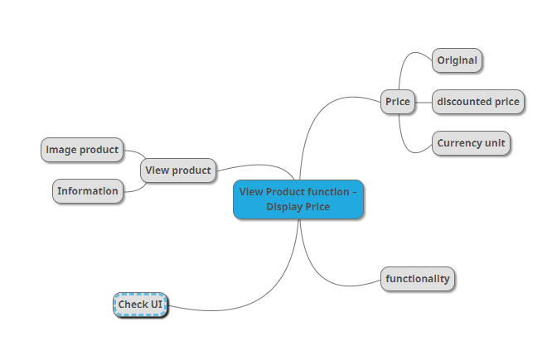

Hình 1: MindMap Test design function View product function - Display Price

